Sheet1
 |  | Document No. | Issue No. | Issue Date |  | Review and Replace Date |  | Authorised By
 |  | GFF188MC | 1 | 08.09.2020 |  | New Issue
 |  | Document Title | Thai Green Chicken Curry with Jasmine Rice 400g
 |  |  |  |  |  |  |  | Magda Shah
Document amendments reason for change |  | New Documentation | Page 1 of 1 |  | Previous Issue Date |  | New Issue | Uncontrolled copy unless signed original

CCTGJR-R4TEB | BOOTHS |  | Thai Green Chicken Curry with Jasmine Rice 400g
STEP 1 |  |  |  |  | STEP 2
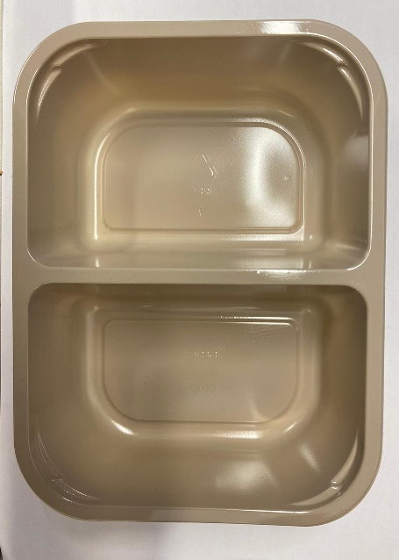 |  |  |  |  | 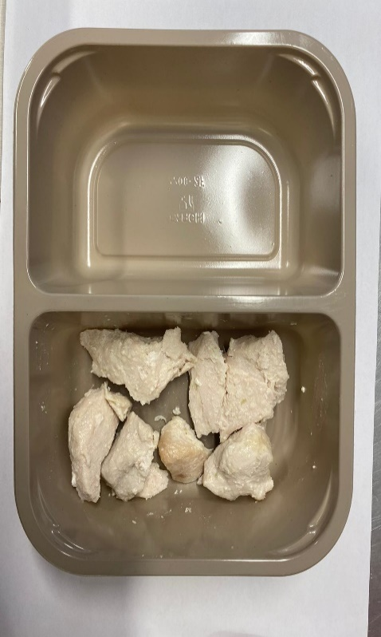

Tray: EVOLVE CPET 2200-2F(PKRHP001-10) |  |  |  |  | British Marinated Chicken 12-14g (GFF164R): 75g
Line 1: Mylar 250LAF 250mm x 1000 (PKWRA001-08)
Line 1: K-Peel 75G + AF 25 250mm (PKKMP001-01)
Line 2: Mylar 25OLAF - 380mm wide (PKWRA001-02)
STEP 3 |  |  |  |  | STEP 4
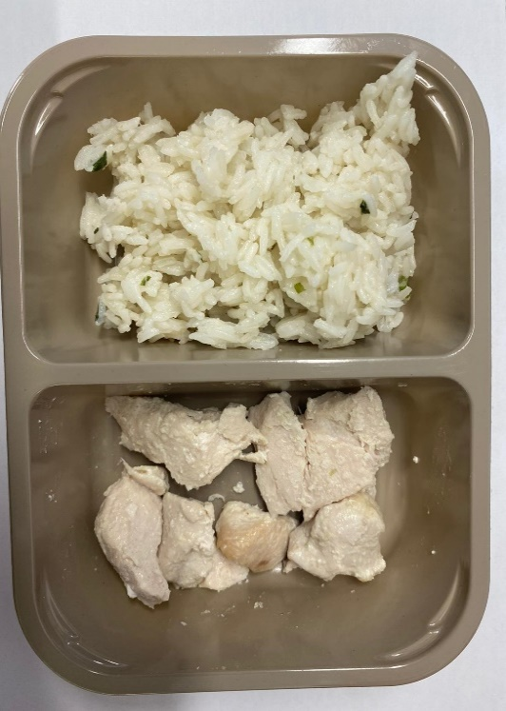 |  |  |  |  | 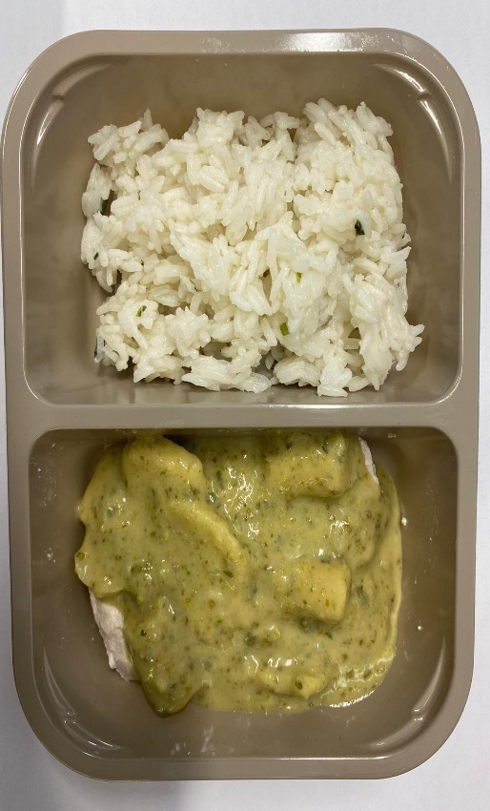

Jasmine Rice( GFF162R): 165g |  |  |  |  | Thai Green Curry Sauce(GFF148R): 160g
 |  |  |  |  | TOTAL WEIGHT: 400G
ALLERGY ALERT: FISH, SESAME

